Plan
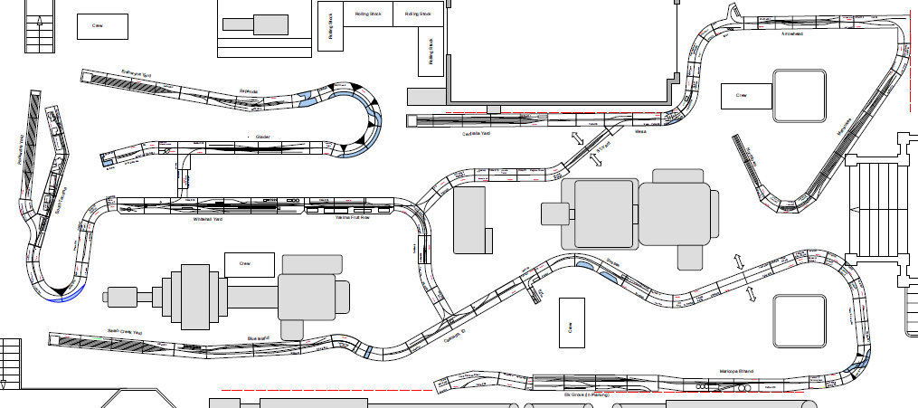

QGRY Glacier

CN Whitehall

CP Manaukee

BNSF Blue Island

Wagenmengen
Delmenhorst 2024

Betriebsstelle | im Arrangement | Monday |  | Tuesday |  | Wednesday |  | Thursday |  | Friday |  | Saturday |  | Sunday |  | Kontrollsumme
Arrowhead | ja | 10 | 10 | 10 | 11 | 11 | 10 | 10 | 11 | 11 | 10 | 10 | 7 | 7 | 10 | OKAY | CP
Basin City | ja | 3 | 3 | 3 | 3 | 3 | 3 | 3 | 3 | 3 | 3 | 3 | 3 | 3 | 3 | OKAY | CN
Blue Island | ja | 33 | 23 | 26 | 17 | 20 | 23 | 20 | 17 | 27 | 40 | 0 | 0 | 0 | 0 | 6 | BNSF
Calahan Paper | ja | 2 | 1 | 1 | 2 | 2 | 1 | 2 | 2 | 1 | 2 | 0 | 0 | 0 | 0 | OKAY | BNSF
Cascade | ja | 3 | 3 | 5 | 5 | 3 | 2 | 6 | 1 | 0 | 6 | 0 | 0 | 0 | 0 | OKAY | BNSF
Del Monte | ja | 4 | 3 | 3 | 4 | 4 | 4 | 4 | 5 | 5 | 4 | 4 | 4 | 4 | 4 | OKAY | CN
Detour | ja | 1 | 1 | 1 | 1 | 1 | 1 | 1 | 1 | 1 | 1 | 1 | 1 | 0 | 0 | OKAY | CP
Elk Grove | ja | 10 | 10 | 10 | 10 | 10 | 10 | 10 | 10 | 10 | 10 | 10 | 10 | 10 | 10 | OKAY | BNSF
Espanola | ja | 24 | 15 | 9 | 18 | 24 | 18 | 12 | 18 | 24 | 24 | 0 | 0 | 0 | 0 | OKAY | QC
Glacier | ja | 6 | 6 | 6 | 6 | 6 | 6 | 6 | 6 | 6 | 6 | 6 | 6 | 6 | 6 | OKAY | QC
Hampton Lumber Yard | ja | 2 | 2 | 2 | 2 | 2 | 2 | 2 | 2 | 2 | 2 | 2 | 2 | 2 | 2 | OKAY | BNSF
Haysi | ja | 1 | 1 | 1 | 1 | 1 | 1 | 1 | 1 | 1 | 1 | 1 | 1 | 0 | 0 | OKAY | CP
Manaukee | ja | 0 | 1 | 1 | 2 | 2 | 1 | 1 | 2 | 2 | 3 | 3 | 0 | 0 | 0 | OKAY | CP
Maricopa | ja | 25 | 26 | 28 | 32 | 31 | 28 | 28 | 26 | 26 | 29 | 28 | 19 | 22 | 28 | OKAY | BNSF
Mesa | ja | 3 | 3 | 5 | 5 | 3 | 2 | 6 | 1 | 0 | 6 | 0 | 0 | 0 | 0 | OKAY | CP
Pier | ja | 0 | 1 | 1 | 0 | 0 | 1 | 1 | 0 | 0 | 1 | 1 | 0 | 0 | 0 | OKAY | QC
Skibo | ja | 3 | 3 | 3 | 3 | 3 | 3 | 3 | 3 | 3 | 3 | 3 | 3 | 3 | 3 | OKAY | CP
South Tacoma | ja | 10 | 10 | 10 | 12 | 12 | 11 | 10 | 10 | 11 | 8 | 7 | 9 | 0 | 0 | OKAY | CN
Sussex | ja | 6 | 6 | 6 | 6 | 6 | 6 | 6 | 6 | 6 | 6 | 6 | 6 | 6 | 6 | OKAY | BNSF
Swift Industries | ja | 0 | 1 | 1 | 0 | 0 | 1 | 1 | 0 | 0 | 1 | 1 | 0 | 0 | 0 | OKAY | BNSF
VT Warehouse | ja | 4 | 4 | 4 | 4 | 4 | 4 | 4 | 4 | 4 | 4 | 4 | 4 | 4 | 4 | OKAY | QC
Whitehall | ja | 2 | 7 | 7 | 7 | 6 | 9 | 8 | 7 | 8 | 7 | 7 | 2 | 3 | 2 | OKAY | CN
Yakima | ja | 14 | 15 | 15 | 16 | 16 | 15 | 15 | 17 | 17 | 12 | 12 | 6 | 6 | 14 | OKAY | CN
Yakima Curve | ja | 1 | 2 | 2 | 2 | 2 | 2 | 2 | 2 | 2 | 1 | 1 | 0 | 0 | 1 | OKAY | CN
Yakima Wye | ja | 1 | 1 | 1 | 1 | 1 | 1 | 1 | 1 | 1 | 1 | 1 | 1 | 1 | 1 | OKAY | CN

 | SUMME | 168 | 158 | 161 | 170 | 173 | 165 | 163 | 156 | 171 | 191 | 111 | 84 | 77 | 94 | 6
 |  |  | 326 |  | 331 |  | 338 |  | 319 |  | 362 |  | 195 |  | 171
 |  |  |  |  |  |  |  |  |  |  |  |  |  |  |  | Max

BNSF |  | 81 | 72 | 79 | 74 | 74 | 73 | 75 | 64 | 72 | 96 | 47 | 37 | 40 | 46
QC |  | 34 | 26 | 20 | 28 | 34 | 29 | 23 | 28 | 34 | 35 | 11 | 10 | 10 | 10
CN |  | 35 | 41 | 41 | 45 | 44 | 45 | 43 | 45 | 47 | 36 | 35 | 25 | 17 | 25
CP |  | 18 | 19 | 21 | 23 | 21 | 18 | 22 | 19 | 18 | 24 | 18 | 12 | 10 | 13

 |  | 168 | 158 | 161 | 170 | 173 | 165 | 163 | 156 | 171 | 191 | 111 | 84 | 77 | 94
 | 326
 | 331
 | 338
 | 319
 | 362
 | 195
 | 171

Call Board
Delmenhorst 2024
Company Jobs |  |  |  |  | Extra Trains

Local Jobs are assigned for the complete session |  |  |  |  | Take Job description from "Outbound" Box
Job Descriptions are held by the Divison Head and asdsigend by him |  |  |  |  | Put your name in the "Conductor" field on Call Board
 |  |  |  |  | When job is complete return job description to "Inbound" Box
 |  |  |  |  | Sign off by entering your initials in "Completed" field

Train # |  | Calling Yard | Job # | Track | Train # |  | Job # | Yard | Track | Conductor | Completed
CN1 | CN Whitehall PWWH1 | Parkwater | 1 | 4 | BNSF4 | BNSF EGWH Transfer | 14 | Elk Grove | EF2 |  |  | job # | train # | extra |  | job # | train #
CN2 | CN Whitehall WHPW | Whitehall | 2 | EF4 | Commuter 1 | Commuter Train | 16 | Parkwater | 7 |  |  | 1 | CN1 | 1 | CN Whitehall PWWH1 | 1 | CN1 | 1
CN3 | CN Whitehall WHTA | Whitehall | 3 | EF1 | CP Intermodal | CP Intermodal MABI | 18 | Manaukee | EF2 |  |  | 2 | CN2 | 1 | CN Whitehall WHPW | 2 | CN2 | 1
CN4 | CN Whitehall WHYA | Whitehall | 4 | EF2 | CP Ethanol | CP Ethanol CEEG | 19 | Centralia | 6 |  |  | 3 | CN3 | 1 | CN Whitehall WHTA | 3 | CN3 | 1
CN5 | CN Whitehall Drill | Whitehall | 5 | EF3 | IAIS Protein | IAIS PWEG | 20 | Parkwater | 5 |  |  | 4 | CN4 | 1 | CN Whitehall WHYA | 4 | CN4 | 1
QG1 | QGRY ERGL | Erehwyna | 6 | 4 |  |  |  |  |  |  |  | 5 | CN5 | 1 | CN Whitehall Drill | 5 | CN5 | 1
QG2 | QGRY GLER | Glacier | 7 | EF2 |  |  |  |  |  |  |  | 6 | QG1 | 1 | QGRY ERGL | 6 | QG1 | 1
QG3 | QGRY Espanola | Glacier | 8 | EF1 |  |  |  |  |  |  |  | 7 | QG2 | 1 | QGRY GLER | 7 | QG2 | 1
CP1 | CP CEMA | Centralia | 9 | 4 |  |  |  |  |  |  |  | 8 | QG3 | 1 | QGRY Espanola | 8 | QG3 | 1
CP2 | CP MACE | Manaukee | 10 | EF1 |  |  |  |  |  |  |  | 9 | CP1 | 1 | CP CEMA | 9 | CP1 | 1
BNSF1 | BNSF SCEG1 | Sarah Creek | 11 | 4 |  |  |  |  |  |  |  | 10 | CP2 | 1 | CP MACE | 10 | CP2 | 1
BNSF2 | BNSF SCEG2 | Sarah Creek | 12 | 5 |  |  |  |  |  |  |  | 11 | BNSF1 | 1 | BNSF SCEG1 | 11 | BNSF1 | 1
BNSF3 | BNSF EGSC | Elk Grove | 13 | EF1 |  |  |  |  |  |  |  | 12 | BNSF2 | 1 | BNSF SCEG2 | 12 | BNSF2 | 1
BNSF4 | BNSF EGWH Transfer | Elk Grove | 14 | EF2 |  |  |  |  |  |  |  | 13 | BNSF3 | 1 | BNSF EGSC | 13 | BNSF3 | 1
 |  |  |  |  |  |  |  |  |  |  |  | 14 | BNSF4 | 1 | BNSF EGWH Transfer | 14 | BNSF4 | 1
 |  |  |  |  |  |  |  |  |  |  |  | 15 | BNSF5 | 2 | BNSF MOW | 15 | BNSF5 | 2
 |  |  |  |  |  |  |  |  |  |  |  | 16 | Commuter 1 | 2 | Commuter Train | 16 | Commuter 1 | 2
 |  |  |  |  |  |  |  |  |  |  |  | 17 | CP Intermodal | 2 | CP Intermodal MABI | 17 | BNSF 6 | 2
 |  |  |  |  |  |  |  |  |  |  |  | 18 | CP Ethanol | 2 | CP Ethanol CEEG | 18 | CP Intermodal | 2
 |  |  |  |  |  |  |  |  |  |  |  | 19 | IAIS Protein | 2 | IAIS PWEG | 19 | CP Ethanol | 2
 |  |  |  |  |  |  |  |  |  |  |  | 20 | GLER No Engine | 3 |  | 20 | IAIS Protein | 2
 |  |  |  |  |  |  |  |  |  |  |  | 21 | WHPW No Engine | 3 |  | 21 | GLER No Engine | 3
 |  |  |  |  |  |  |  |  |  |  |  | 22 | MACE No Engines | 3 |  | 22 | WHPW No Engine | 3
 |  |  |  |  |  |  |  |  |  |  |  | 23 | EGSC No Engines | 3 |  | 23 | MACE No Engines | 3

